Hoja1
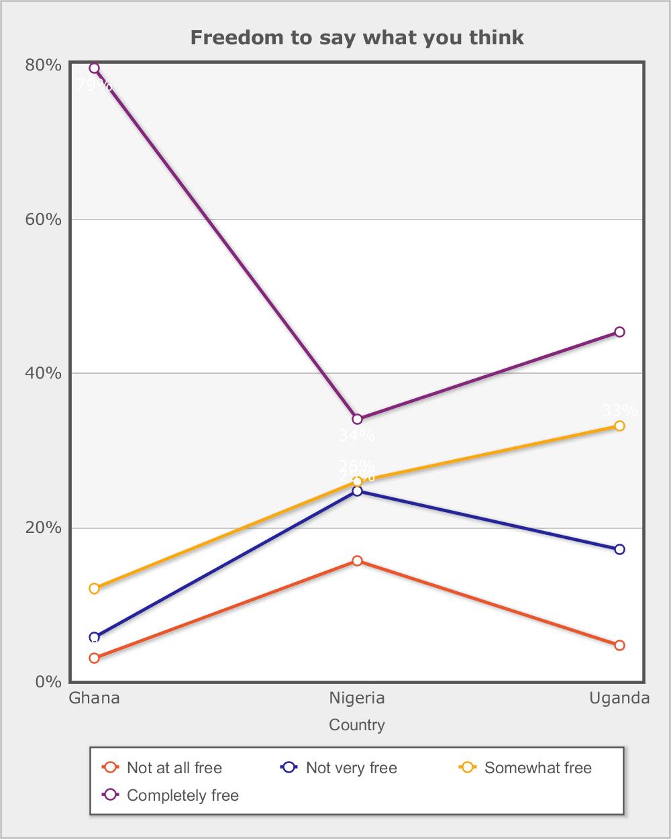
 |  |  | Afrobarometer (R4 2008/2009)
 |  |  | Freedom to join any political organizations
 |  |  | In this country, how free are you to join any political organization you want?

Category | Total | Round
 |  | R4 | R5 | R6
Country - | Total
Not at all free | 4.1% | 5.3% | 3.6% | 3.6%
Not very free | 8.9% | 11.6% | 7.5% | 8.1%
Somewhat free | 21.1% | 22.4% | 22.7% | 18.5%
Completely free | 64.1% | 57.5% | 65.2% | 68.4%
Don't know | 1.7% | 3.2% | 0.9% | 1.4%
(N) | 20,351 (100%) | 5,955 (100%) | 7,200 (100%) | 7,196 (100%)
Country - | Ghana
Not at all free | 1.2% | 1.6% | 0.6% | 1.7%
Not very free | 2.1% | 1.7% | 1.8% | 2.6%
Somewhat free | 9.4% | 7.2% | 9.7% | 10.4%
Completely free | 86.1% | 87.4% | 87.2% | 84.3%
Don't know | 1.1% | 2.1% | 0.8% | 1.0%
(N) | 5,996 (100%) | 1,200 (100%) | 2,400 (100%) | 2,396 (100%)
Country - | Nigeria
Not at all free | 7.6% | 10.1% | 5.9% | 7.0%
Not very free | 16.0% | 18.7% | 12.4% | 16.9%
Somewhat free | 28.6% | 24.5% | 31.6% | 29.6%
Completely free | 45.3% | 41.7% | 49.1% | 45.1%
Don't know | 2.5% | 5.0% | 1.0% | 1.5%
(N) | 7,124 (100%) | 2,324 (100%) | 2,400 (100%) | 2,400 (100%)
Country - | Uganda
Not at all free | 2.9% | 2.6% | 4.3% | 2.0%
Not very free | 7.7% | 9.7% | 8.3% | 4.9%
Somewhat free | 23.5% | 27.9% | 27.0% | 15.5%
Completely free | 64.4% | 57.9% | 59.4% | 76.0%
Don't know | 1.5% | 2.0% | 0.9% | 1.6%
(N) | 7,231 (100%) | 2,431 (100%) | 2,400 (100%) | 2,400 (100%)

Data source: Afrobarometer

